Sheet1
 | https://www.saucedemo.com/

SR NO. | TEST SCENARIO ID | MODULE | TEST SCENARIO DESCRIPTION | TEST CASE ID | TEST CASE DESCRIPTION | TEST STEPS | TEST DATA | EXPECTED RESULT | ACTUAL RESULT | STATUS | SCREENSHOT
1 | TC_001 | Login | verify whether if user is able to login | TC_001_01 | verify whether if user is able to login with valid data | 1.enter valid username 2. enter valid password 3.click on login button | url :-https://www.saucedemo.com/ username :- standard_user password :- secret_sauce | user should able to login with valid data | user is able to login with valid data | pass
 |  |  |  | TC_001_02 | verify whether if user is able to login with upper case in username field | 1.enter valid username 2. enter valid password 3.click on login button | url :-https://www.saucedemo.com/ username :- STANDARD_USER password :- secret_sauce | user should able too login with upper case in username field | user is not able to login with upper case in username field | fail | 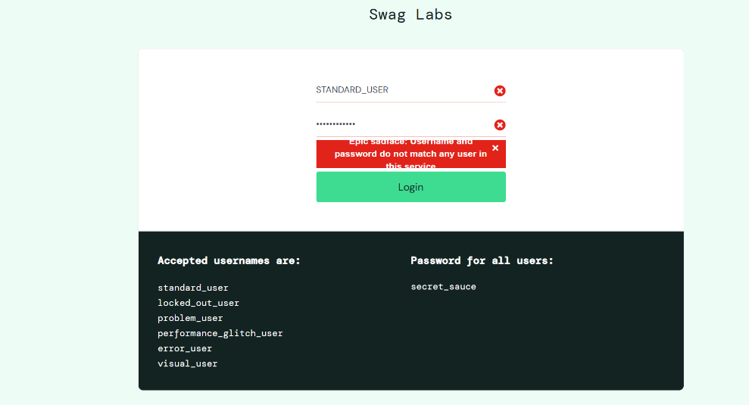
 |  |  |  | TC_001_03 | verify whether if user is able to login with space in username field | 1.enter valid username 2. enter valid password 3.click on login button | url :-https://www.saucedemo.com/ username :- standard user password :- secret_sauce | user should not able to sign up with space in username field | user is not able to sign up with space in username field | pass
 |  |  |  | TC_001_04 | verify whether if user is able to see pop up msg on clicking on login button with invalid username and valid password | 1.enter invalid username 2. enter valid password 3.click on login button | url :-https://www.saucedemo.com/ username :- stanlee-jee password :- secret_sauce | user should able to see pop up msg on clicking on login button with invalid username and valid password | user is able to see pop up msg on clicking on login button with invalid username and valid password | pass
 |  |  |  | TC_001_05 | verify whether if user is able to login with valid username and invalid password and also show popup message | 1.enter valid username 2. enter invalid password 3.click on login button | url :-https://www.saucedemo.com/ username :- standard_user password :- 123456 | user should not able to login with invalid valid username and invalid password and also show popup message | user is not able to login with invalid valid username and invalid password and also show popup message | pass
 |  |  |  | TC_001_06 | verify whether if user is able to login with space in password field | 1.enter valid username 2. enter valid password 3.click on login button | url :-https://www.saucedemo.com/ username :- standard_user password :- secret sauce | user should not able to login with space in password field | user is not able to login with space in password field | pass
 |  |  |  | TC_001_07 | Verify whether if user is able to click on login button without adding usename and password and also see error message | directly click on login button | url :-https://www.saucedemo.com/ username :- password :- | user should able to click on login button and get error message | user is able to click on login button and get error message | pass
 |  |  |  | TC_001_08 | Verify whether if user is able to login with empty username field and see error pop up message | 1.enter valid username 2. enter valid password 3.click on login button | url :-https://www.saucedemo.com/ username :- password :- secret_sauce | user should not able to login with empty username field and also see error pop up message | user is not able to login with empty username field and also see error pop up message | pass
 |  |  |  | TC_001_09 | verify whether if user is able to login from different browsers | 1.enter valid username 2. enter valid password 3.click on login button | url :-https://www.saucedemo.com/ username :- standard_user password :- secret_sauce | user should able to login from different browsers | user is able to login from different browsers | pass

2 | TC_002 | Product add to cart | verify whether if user is able to add products to cart | TC_002_01 | verify whether if user is able to add single product in cart | 1.user login 2. click on add product to cart | url :-https://www.saucedemo.com/ username :- standard_user password :- secret_sauce | user should able to add single product to cart | user is able to add single product to cart | pass
 |  |  |  | TC_002_02 | verify whether if user is able to add multiple products in cart | 1.user login 2. click on add product to cart | url :-https://www.saucedemo.com/ username :- standard_user password :- secret_sauce | user should able to add multiple products in cart | user is able to add multiple products in cart | pass
 |  |  |  | TC_002_03 | verify whether if user is able to remove product from cart | 1.user login 2. click on add product to cart 3.click on cart | url :-https://www.saucedemo.com/ username :- standard_user password :- secret_sauce | user should able to remove product from cart | user is able to remove product from cart | pass
 |  |  |  | TC_002_04 | Verify whether if user is able to see cart page displays added products | 1.user login 2. click on add product to cart 3.click on cart | url :-https://www.saucedemo.com/ username :- standard_user password :- secret_sauce | user should able to see cart page displays added products | user is able to see cart page displays added products | pass
 |  |  |  | TC_002_05 | Verify whether if user is able to remove all products from cart | 1.user login 2. click on add product to cart 3.click on cart | url :-https://www.saucedemo.com/ username :- standard_user password :- secret_sauce | user should able to remove all products from cart | user should able to remove all products from cart | pass
 |  |  |  | TC_002_06 | Verify cart after browser refresh | 1.user login 2. click on add product to cart 3.click on cart | url :-https://www.saucedemo.com/ username :- standard_user password :- secret_sauce | user should see all added products in cart after browser refresh | user is able to see all added products in cart after browser refresh | pass
 |  |  |  | TC_002_07 | Continue shopping from cart | 1.user login 2. click on add product to cart 3.click on cart | url :-https://www.saucedemo.com/ username :- standard_user password :- secret_sauce | user should do continue shopping from cart | user is able to do continue shopping from cart | pass
 |  |  |  | TC_002_08 | Verify navigation to product page from cart | 1.user login 2. click on add product to cart 3.click on cart | url :-https://www.saucedemo.com/ username :- standard_user password :- secret_sauce | User should navigate to product details page | User is able to navigate to product details page | pass

3 | TC_003 | Checkout | verify whether if user is able to checkout | TC_003_01 | Verify checkout with valid information | 1.user login 2. click on add product to cart 3.click on cart 4.click on checkout 5. add payment method 6. click on finish | url :-https://www.saucedemo.com/ username :- standard_user password :- secret_sauce at checkout process first name :- nikita last name :- dhopte postal zip code :-12345 | Order should be placed successfully | user is able to place order successfully | pass
 |  |  |  | TC_003_02 | Verify checkout with empty first name | 1.user login 2. click on add product to cart 3.click on cart 4.click on checkout 5. add payment method 6. click on finish | url :-https://www.saucedemo.com/ username :- standard_user password :- secret_sauce at checkout process first name :- last name :- dhopte postal zip code :-12345 | Error message should display for missing first name | user is able to see error message of missing first name | pass
 |  |  |  | TC_003_03 | Verify checkout with empty last name | 1.user login 2. click on add product to cart 3.click on cart 4.click on checkout 5. add payment method 6. click on finish | url :-https://www.saucedemo.com/ username :- standard_user password :- secret_sauce at checkout process first name :- nikita last name :- dhopte postal zip code :-12345 | Error message should display for missing last name | user is able to see error message of missing last name | pass
 |  |  |  | TC_003_04 | Verify checkout with empty zip code | 1.user login 2. click on add product to cart 3.click on cart 4.click on checkout 5. add payment method 6. click on finish | url :-https://www.saucedemo.com/ username :- standard_user password :- secret_sauce at checkout process first name :- nikita last name :- dhopte postal zip code :-12345 | Error message should display for missing zip code | user is able to see error message of missing zip code | pass
 |  |  |  | TC_003_05 | Verify cancel button functionality | 1.user login 2. click on add product to cart 3.click on cart 4.click on checkout 5. add payment method 6. click on finish | url :-https://www.saucedemo.com/ username :- standard_user password :- secret_sauce at checkout process first name :- nikita last name :- dhopte postal zip code :-12345 | User should navigate back to cart page | User is able to navigate back to cart page | pass
 |  |  |  | TC_003_06 | Verify special characters in name fields | 1.user login 2. click on add product to cart 3.click on cart 4.click on checkout 5. add payment method 6. click on finish | url :-https://www.saucedemo.com/ username :- standard_user password :- secret_sauce at checkout process first name :- nikk@12 last name :- dhopte postal zip code :-12345 | user should get error message of invalid characters in name field | user is not able to get error message of invalid characters in name field instead the process of shopping is continue | fail | 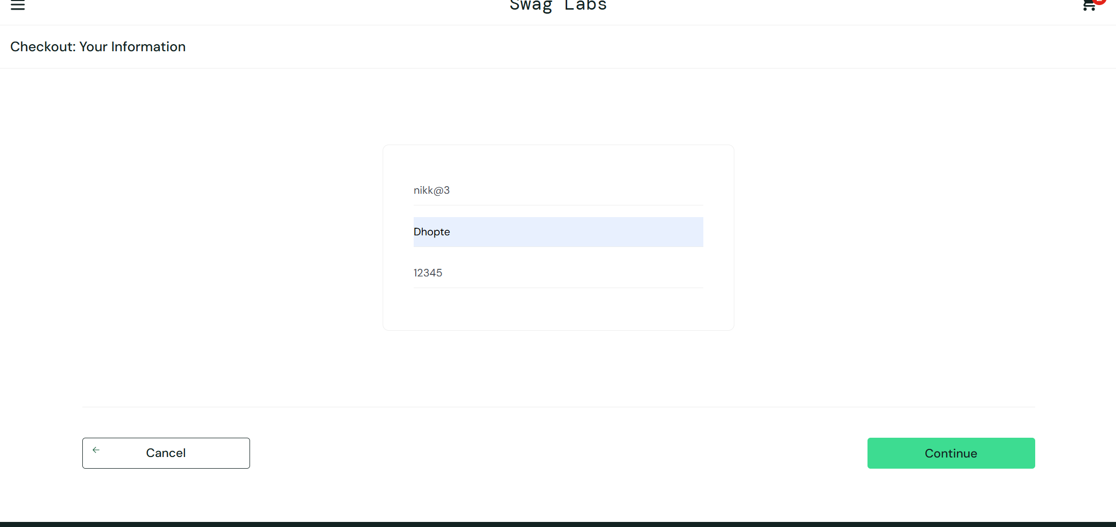
 |  |  |  | TC_003_07 | Verify numeric values in name fields | 1.user login 2. click on add product to cart 3.click on cart 4.click on checkout 5. add payment method 6. click on finish | url :-https://www.saucedemo.com/ username :- standard_user password :- secret_sauce at checkout process first name :- 12234544 last name :- dhopte postal zip code :-12345 | user should get error message of invalid characters in name field | user is not able to get error message of invalid numeric values in name field | fail | 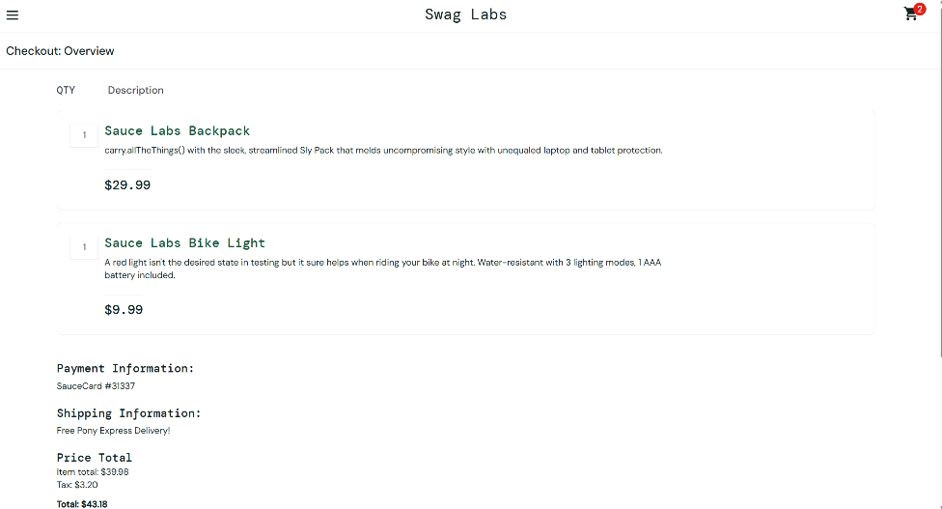
 |  |  |  | TC_003_08 | Verify checkout with browser back button | 1.user login 2. click on add product to cart 3.click on cart 4.click on checkout 5. add payment method 6. click on finish | url :-https://www.saucedemo.com/ username :- standard_user password :- secret_sauce at checkout process first name :- nikita last name :- dhopte postal zip code :-12345 | Application should behave correctly without data loss/error | Application is able to behave correctly without data loss/error | pass
 |  |  |  | TC_003_09 | Verify character values in zip postal code fields | 1.user login 2. click on add product to cart 3.click on cart 4.click on checkout 5. add payment method 6. click on finish | url :-https://www.saucedemo.com/ username :- standard_user password :- secret_sauce at checkout process first name :- nikita last name :- dhopte postal zip code :-12345 | zip postal code function should only take numeric values and if character values added it should show error message | checkout process is continue it does not showing error message | fail | 